Insertion
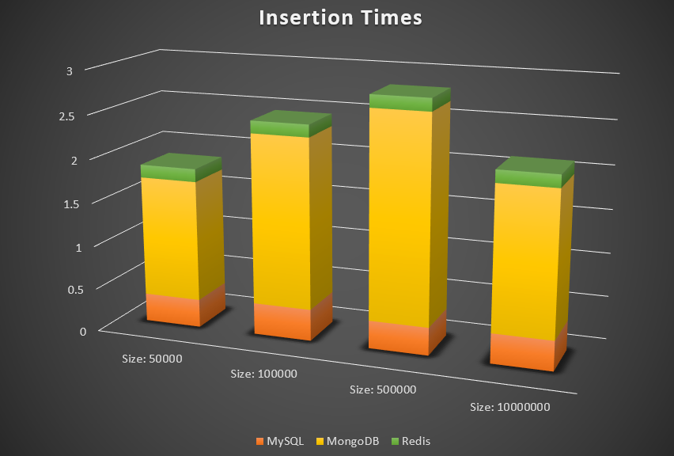

Job Size | MySQL | MongoDB | Redis

50,000 | 0.325 Seconds | 1.388 Seconds | 0.148 Seconds

100,000 | 0.364 Seconds | 1.953 Seconds | 0.142 Seconds

500,000 | 0.32 Seconds | 2.364 Seconds | 0.145 Seconds

10,000,000 | 0.343 Seconds | 1.641 Seconds | 0.144 Seconds

Single Testing
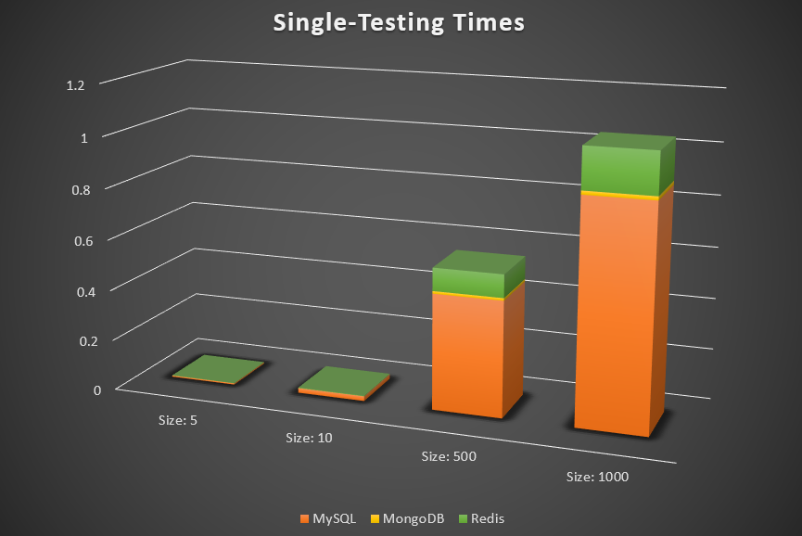
Job Size | MySQL | MongoDB | Redis

250 | 0.005 Seconds | 0.0001 Seconds | 0.001 Seconds

500 | 0.019 Seconds | 0.0002 Seconds | 0.002 Seconds

750 | 0.456 Seconds | 0.01 Seconds | 0.09 Seconds

1000 | 0.871 Seconds | 0.014 Seconds | 0.161 Seconds

Multi Testing
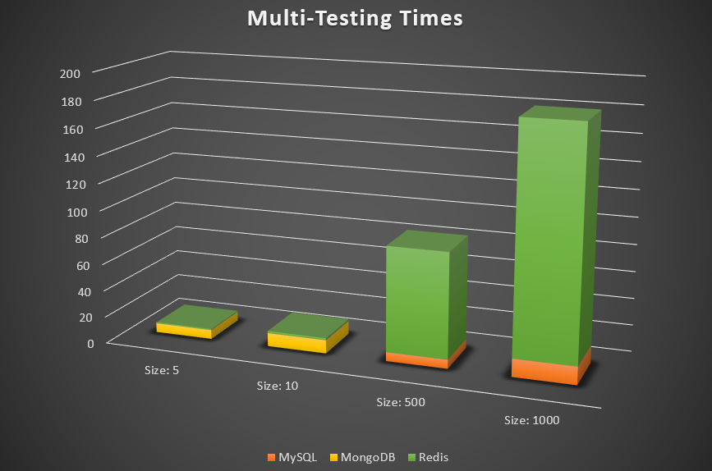
Job Size | MySQL | MongoDB | Redis

250 | 0.078 Seconds | 6.795 Seconds | 0.792 Seconds

500 | 0.143 Seconds | 9.998 Seconds | 1.552 Seconds

750 | 6.691 Seconds | 0.0057 Seconds | 78.11 Seconds

1000 | 13.379 Seconds | 0.009 Seconds | 167.722 Seconds

Updating
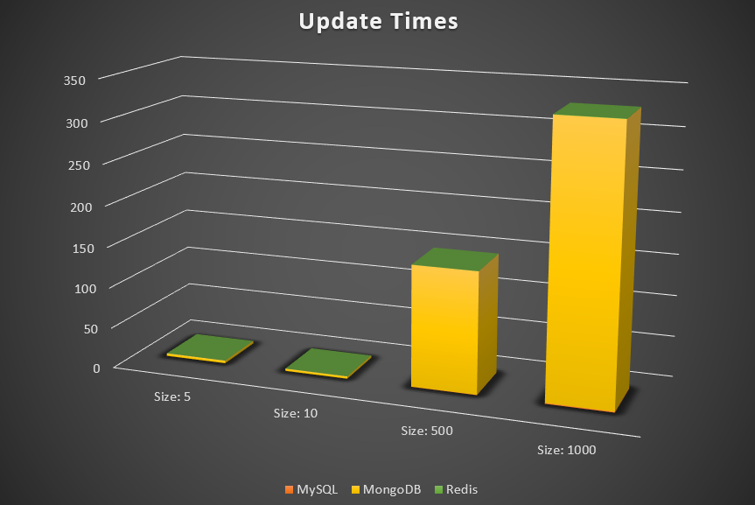
Job Size | MySQL | MongoDB | Redis

250 | 0.008 Seconds | 3.32 Seconds | 0.002 Seconds

500 | 0.015 Seconds | 2.89 Seconds | 0.003 Seconds

750 | 0.486 Seconds | 146.97 Seconds | 0.152 Seconds

1000 | 1.113 Seconds | 328.576 Seconds | 0.347 Seconds

Deleting
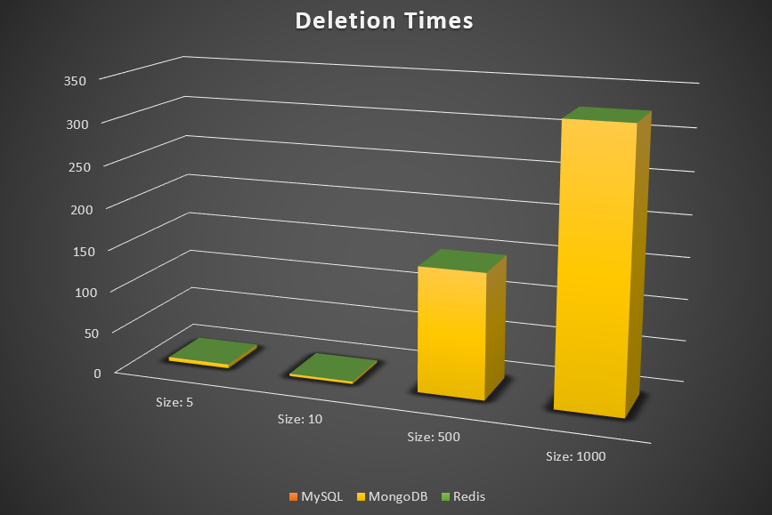
Job Size | MySQL | MongoDB | Redis

250 | 0.008 Seconds | 4.67 Seconds | 0.0005 Seconds

500 | 0.017 Seconds | 2.58 Seconds | 0.001 Seconds

750 | 0.388 Seconds | 148.259 Seconds | 0.042 Seconds

1000 | 0.426 Seconds | 326.076 Seconds | 0.085 Seconds

